Bug Report
Bug Report

Bug ID | Date | Severity | Component | Summary | Test | Reproduct (Optional) | Expect | Actually Happens | Screenshots (Optional)
1 | 2023-10-30 | 2 | Player Movement | Ground Checking would cause the player to float slightly above the ground | 1 | Start up scene and move around | The script will make sure the player is on the ground and if true, the player can move | The player is floating slightly above the ground | 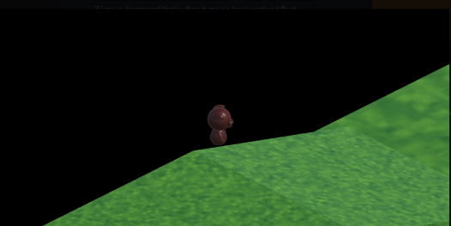
2 | 2023-11-03 | 2 | Player Movement | When the player move off a cliff the player would move back to where it was last onGround however if running off a edge of a ramp continuously the player will begin to float. | 2 | Run of a ramp edge continously | the player will move back to where it was last onground | the player will begin rising every update on the player moving on the
3 | 2023-11-07 | 2 | Player onGrab | When player grabs the ball near map edge, the ball teleports pass the map barrier and will fall out of the map | 3 | position ball near map edge, the player will be perpendicular between the map edge with the ball inbetween and use grab input | The player will throw the ball against the invisible wall and bounce back | the ball due to the grab position of the ball will be teleported outside the barrier out side the map and the player will be stuck without a ball and hardlocked in the level
4 | 2023-11-06 | 2 | Player animations | Animations will only play once | 4 | walk, stop, walk again | the player will play the necessary animations depending on player's actions | it plays the animation once then the player becomes stiff
5 | 2023-11-08 | 2 | Player aiming line | The aim line is slightly off from where the ball actually goes | 5 | Player will go towards the ball and grab and throw it | The line and ball will be perfectly aligned unless something such as a obstacle disrupts the ball's flight path | the line is slightly too low or too high when the ball's mass is altered
6 | 2023-11-08 | 2 | Goal | When the ball hits the rim of the goal post but does not actually pass it, it will still trigger the goal. | 6 | aim and throw the ball to hit the outer rim of the goal but don't let the ball pass through the goal | The ball will bounce off and the goal will not trigger | The ball triggered the goal without passing through it
7 | 2023-11-08 | 2 | Player animations | Animations will play inconsistently with player for running and grabbing | 7 | hold down run button or press grab button | player will continue idle animation until the player's position is being altered or grab a ball on input when a ball is nearby | holding the run key without moving will cause the run animation on the spot, or grab animation when no ball is nearby

